Sheet1
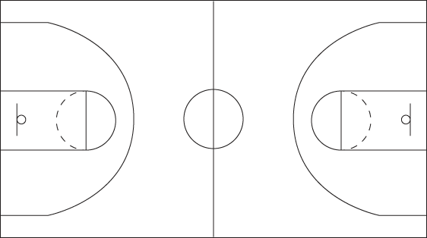
 | 1 | 2 | 3 | 4 | 5 | 6 | 7 | 8 | 9 | 10 | 11 | 12 | 13 | 14 | 15 | 16 | 17 | 18 | 19 | 20 | 21 | 22 | 23 | 24 | 25 | 26 | 27 | 28 | 29 | 30
27 |  |  |  |  |  |  |  |  |  |  |  |  |  |  |  |  |  |  |  |  |  |  |  |  |  |  |  |  |  |  | 27
26 |  |  |  |  |  |  |  |  |  |  |  |  |  |  |  |  |  |  |  |  |  |  |  |  |  |  |  |  |  |  | 26
25 |  |  |  |  |  |  |  |  |  |  |  |  |  |  |  |  |  |  |  |  |  |  |  |  |  |  |  |  |  |  | 25
24 |  |  |  |  |  |  |  |  |  |  |  |  |  |  |  |  |  |  |  |  |  |  |  |  |  |  |  |  |  |  | 24
23 |  |  |  |  |  |  |  |  |  |  |  |  |  |  |  |  |  |  |  |  |  |  |  |  |  |  |  |  |  |  | 23
22 |  |  |  |  |  |  |  |  |  |  |  |  |  |  |  |  |  |  |  |  |  |  |  |  |  |  |  |  |  |  | 22
21 |  |  |  |  |  |  |  |  |  |  |  |  |  |  |  |  |  |  |  |  |  |  |  |  |  |  |  |  |  |  | 21
20 |  |  |  |  |  |  |  |  |  |  |  |  |  |  |  |  |  |  |  |  |  |  |  |  |  |  |  |  |  |  | 20
19 |  |  |  |  |  |  |  |  |  |  |  |  |  |  |  |  |  |  |  |  |  |  |  |  |  |  |  |  |  |  | 19
18 |  |  |  |  |  |  |  |  |  |  |  |  |  |  |  |  |  |  |  |  |  |  |  |  |  |  |  |  |  |  | 18
17 |  |  |  |  |  |  |  |  |  |  |  |  |  |  |  |  |  |  |  |  |  |  |  |  |  |  |  |  |  |  | 17
16 |  |  |  |  |  |  |  |  |  |  |  |  |  |  |  |  |  |  |  |  |  |  |  |  |  |  |  |  |  |  | 16
15 |  |  |  |  |  |  |  |  |  |  |  |  |  |  |  |  |  |  |  |  |  |  |  |  |  |  |  |  |  |  | 15
14 |  |  |  |  |  |  |  |  |  |  |  |  |  |  |  |  |  |  |  |  |  |  |  |  |  |  |  |  |  |  | 14
13 |  |  |  |  |  |  |  |  |  |  |  |  |  |  |  |  |  |  |  |  |  |  |  |  |  |  |  |  |  |  | 13
12 |  |  |  |  |  |  |  |  |  |  |  |  |  |  |  |  |  |  |  |  |  |  |  |  |  |  |  |  |  |  | 12
11 |  |  |  |  |  |  |  |  |  |  |  |  |  |  |  |  |  |  |  |  |  |  |  |  |  |  |  |  |  |  | 11
10 |  |  |  |  |  |  |  |  |  |  |  |  |  |  |  |  |  |  |  |  |  |  |  |  |  |  |  |  |  |  | 10
9 |  |  |  |  |  |  |  |  |  |  |  |  |  |  |  |  |  |  |  |  |  |  |  |  |  |  |  |  |  |  | 9
8 |  |  |  |  |  |  |  |  |  |  |  |  |  |  |  |  |  |  |  |  |  |  |  |  |  |  |  |  |  |  | 8
7 |  |  |  |  |  |  |  |  |  |  |  |  |  |  |  |  |  |  |  |  |  |  |  |  |  |  |  |  |  |  | 7
6 |  |  |  |  |  |  |  |  |  |  |  |  |  |  |  |  |  |  |  |  |  |  |  |  |  |  |  |  |  |  | 6
5 |  |  |  |  |  |  |  |  |  |  |  |  |  |  |  |  |  |  |  |  |  |  |  |  |  |  |  |  |  |  | 5
4 |  |  |  |  |  |  |  |  |  |  |  |  |  |  |  |  |  |  |  |  |  |  |  |  |  |  |  |  |  |  | 4
3 |  |  |  |  |  |  |  |  |  |  |  |  |  |  |  |  |  |  |  |  |  |  |  |  |  |  |  |  |  |  | 3
2 |  |  |  |  |  |  |  |  |  |  |  |  |  |  |  |  |  |  |  |  |  |  |  |  |  |  |  |  |  |  | 2
1 |  |  |  |  |  |  |  |  |  |  |  |  |  |  |  |  |  |  |  |  |  |  |  |  |  |  |  |  |  |  | 1
 | 1 | 2 | 3 | 4 | 5 | 6 | 7 | 8 | 9 | 10 | 11 | 12 | 13 | 14 | 15 | 16 | 17 | 18 | 19 | 20 | 21 | 22 | 23 | 24 | 25 | 26 | 27 | 28 | 29 | 30

